Sheet1
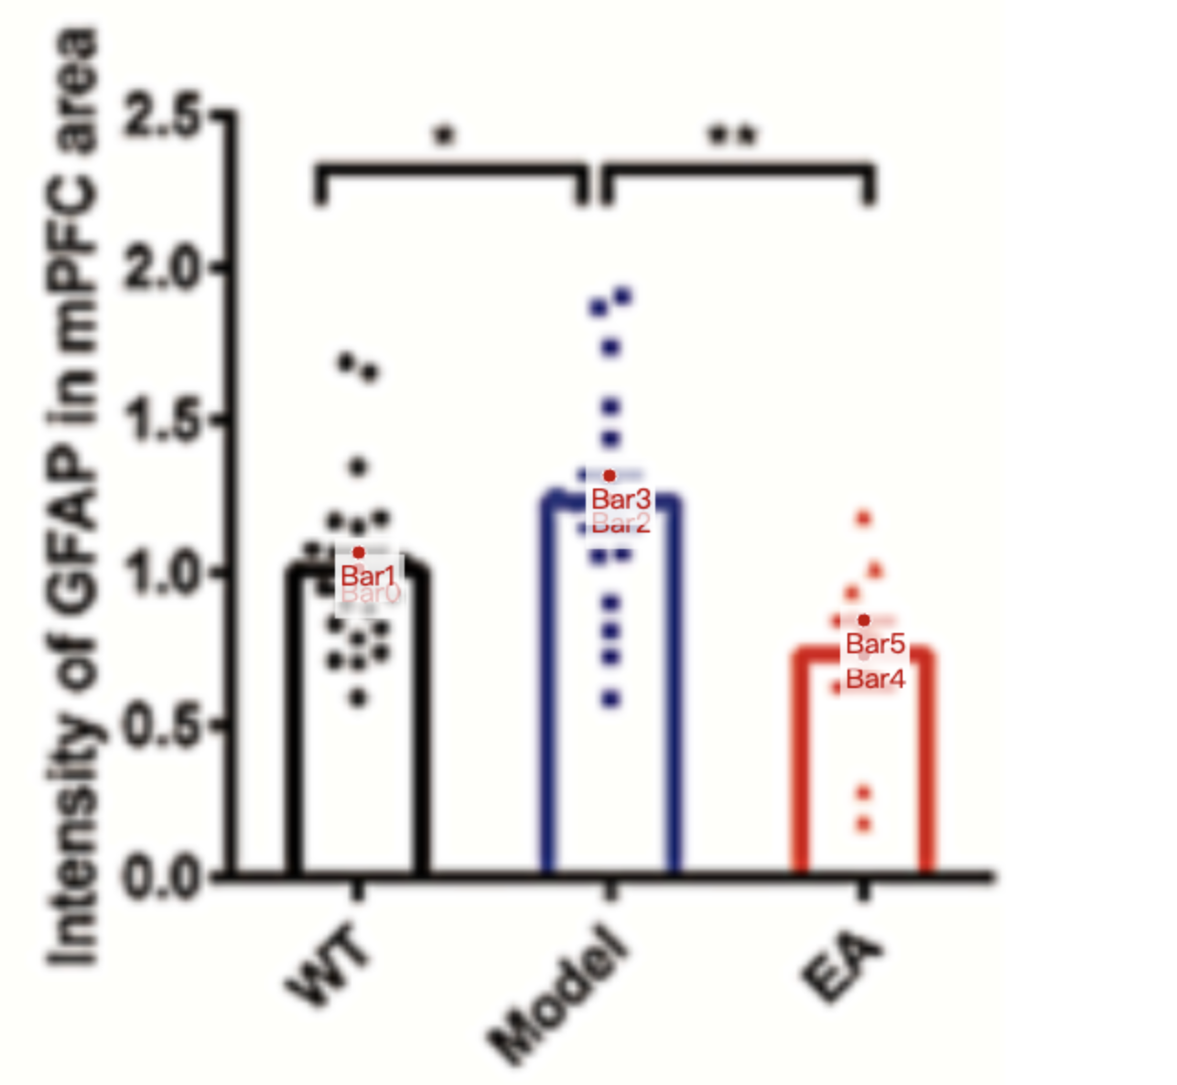
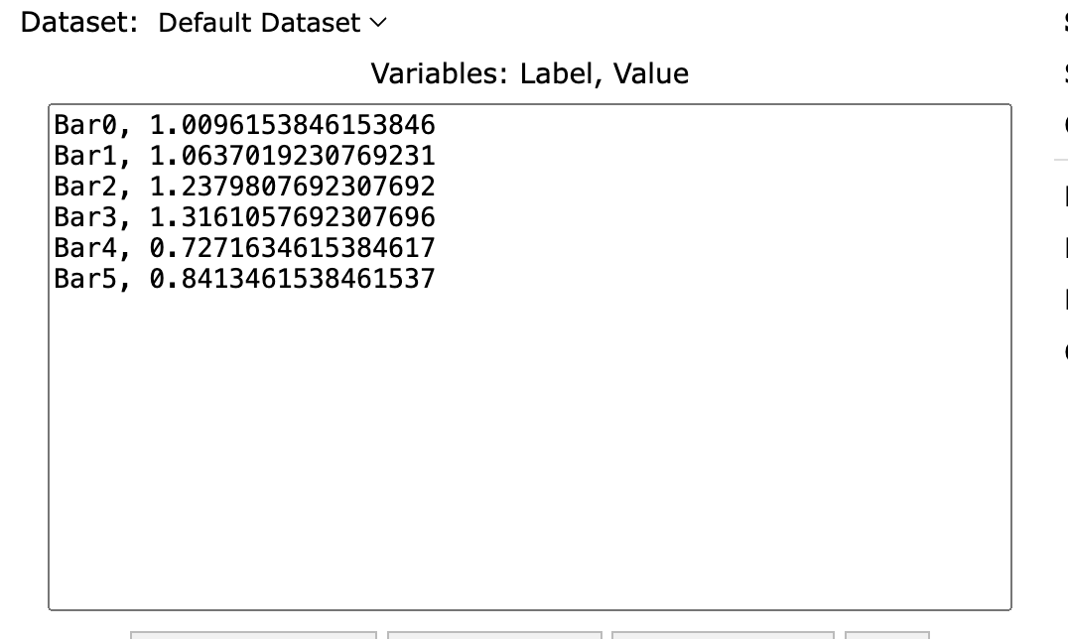
Treatment Groups | WT | Model | EA
mean | 1.0096153846 | 1.2379807692 | 0.72716346154
sem | 0.05408653846 | 0.078125 | 0.1141826923
mean+sem | 1.0637019231 | 1.3161057692 | 0.84134615385
sd (sem * sqrt(8)) | 0.14309953 | 0.2066993212 | 0.3229574241

